Sheet1
Picture | Style | Packing | Available | Class | Description | Colors | Sizes | Prices | MSRP | UPC Code | Brand
 | 161605A1 | 12 | 288 | 101 - MICROFIBER TOWELS | 30X60 SLD CLR MCR FIBR TWL HDR CARD PKG | AURORA GREEN=12 | 30X60=12 | $7.10 | $32.00 | 810141946491 | Hurley
 | 161605A2 | 12 | 3,600 | 101 - MICROFIBER TOWELS | 30X60 SLD CLR MCR FIBR TWL HDR CARD PKG | AURORA GREEN=12 | 30X60=12 | $7.10 | $32.00 | 810141946491 | Hurley
 | 161605B1 | 12 | 2,976 | 101 - MICROFIBER TOWELS | 30X60 SLD CLR MCR FIBR TWL HDR CARD PKG | NEON CORAL=12 | 30X60=12 | $7.10 | $32.00 | 810141946507 | Hurley
 | 161605B2 | 12 | 3,600 | 101 - MICROFIBER TOWELS | 30X60 SLD CLR MCR FIBR TWL HDR CARD PKG | NEON CORAL=12 | 30X60=12 | $7.10 | $32.00 | 810141946507 | Hurley
 | 161605C1 | 12 | 3,084 | 101 - MICROFIBER TOWELS | 30X60 SLD CLR MCR FIBR TWL HDR CARD PKG | MARLED GREY=12 | 30X60=12 | $7.10 | $32.00 | 810141948716 | Hurley
 | 161605D | 12 | 1,788 | 101 - MICROFIBER TOWELS | 30X60 SLD CLR MCR FIBR TWL HDR CARD PKG | AMARILLO=12 | 30X60=12 | $7.10 | $32.00 | 810141948761 | Hurley
 | 161605D1 | 12 | 3,600 | 101 - MICROFIBER TOWELS | 30X60 SLD CLR MCR FIBR TWL HDR CARD PKG | AMARILLO=12 | 30X60=12 | $7.10 | $32.00 | 810141948761 | Hurley
 | 161605F | 12 | 1,464 | 101 - MICROFIBER TOWELS | 30X60 SLD CLR MCR FIBR TWL HDR CARD PKG | LT LILAC=12 | 30X60=12 | $7.10 | $32.00 | 810141948778 | Hurley
 | 161605G | 12 | 3,180 | 101 - MICROFIBER TOWELS | 30X60 SLD CLR MCR FIBR TWL HDR CARD PKG | CANDY POP=12 | 30X60=12 | $7.10 | $32.00 | 810141948785 | Hurley
 | 161605H | 12 | 1,776 | 101 - MICROFIBER TOWELS | 30X60 SLD CLR MCR FIBR TWL HDR CARD PKG | LIME GREEN=12 | 30X60=12 | $7.10 | $32.00 | 810141948723 | Hurley
 | 161605I | 12 | 1,200 | 101 - MICROFIBER TOWELS | 30X60 SLD CLR MCR FIBR TWL HDR CARD PKG | PERIWINKLE=12 | 30X60=12 | $7.10 | $32.00 | 810141948792 | Hurley
 | 161605J | 12 | 2,256 | 101 - MICROFIBER TOWELS | 30X60 SLD CLR MCR FIBR TWL HDR CARD PKG | LT GREY=12 | 30X60=12 | $7.10 | $32.00 | 810141948808 | Hurley
 | 161605K | 12 | 1,764 | 101 - MICROFIBER TOWELS | 30X60 SLD CLR MCR FIBR TWL HDR CARD PKG | TWILIGHT BLUE=12 | 30X60=12 | $7.10 | $32.00 | 810141948730 | Hurley
 | 161605K1 | 12 | 3,600 | 101 - MICROFIBER TOWELS | 30X60 SLD CLR MCR FIBR TWL HDR CARD PKG | TWILIGHT BLUE=12 | 30X60=12 | $7.10 | $32.00 | 810141948730 | Hurley
 | 161605L | 12 | 3,600 | 101 - MICROFIBER TOWELS | 30X60 SLD MCR FBR TWL HDR CARD PKG | NEW LILAC=12 | NA=12 | $7.10 | $32.00 | 840446508247 | Hurley
 | 161605M2 | 12 | 3,600 | 101 - MICROFIBER TOWELS | 30X60 SLD CLR MCR FIBR TWL HDR CARD PKG | MEDIUM OLIVE=12 | 30X60=12 | $7.10 | $32.00 | 810141946484 | Hurley
 | 161605N | 12 | 3,600 | 101 - MICROFIBER TOWELS | 30X60 SLD MCR FBR TWL HDR CARD PKG | NEON CTRC 809C=12 | NA=12 | $7.10 | $32.00 | 840446508254 | Hurley
 | 161605O | 12 | 3,600 | 101 - MICROFIBER TOWELS | 30X60 SLD MCR FBR TWL HDR CARD PKG | NW PL PK13-2800=12 | NA=12 | $7.10 | $32.00 | 840446508261 | Hurley
 | 161605P | 12 | 1,488 | 101 - MICROFIBER TOWELS | 30X60 SLD CLR MCR FIBR TWL HDR CARD PKG | ATOMIC VIOLET=12 | 30X60=12 | $7.10 | $32.00 | 810141948747 | Hurley
 | 161605P1 | 12 | 3,600 | 101 - MICROFIBER TOWELS | 30X60 SLD CLR MCR FIBR TWL HDR CARD PKG | ATOMIC VIOLET=12 | 30X60=12 | $7.10 | $32.00 | 810141948747 | Hurley
 | 161605Q2 | 12 | 3,600 | 101 - MICROFIBER TOWELS | 30X60 SLD CLR MCR FIBR TWL HDR CARD PKG | IRON GREY=12 | 30X60=12 | $7.10 | $32.00 | 810141946477 | Hurley
 | 161605R1 | 12 | 1,056 | 101 - MICROFIBER TOWELS | 30X60 SLD CLR MCR FIBR TWL HDR CARD PKG | OBSIDIAN=12 | 30X60=12 | $7.10 | $32.00 | 810141946460 | Hurley
 | 161605R2 | 12 | 3,600 | 101 - MICROFIBER TOWELS | 30X60 SLD CLR MCR FIBR TWL HDR CARD PKG | OBSIDIAN=12 | 30X60=12 | $7.10 | $32.00 | 810141946460 | Hurley
 | 161605S | 12 | 2,820 | 101 - MICROFIBER TOWELS | 30X60 SLD MCR FBR TWL HDR CARD PKG | NW PC WP14-1309=12 | NA=12 | $7.10 | $32.00 | 840446508278 | Hurley
 | 161605U | 12 | 3,600 | 101 - MICROFIBER TOWELS | 30X60 SLD MCR FBR TWL HDR CARD PKG | NEW 940U=12 | NA=12 | $7.10 | $32.00 | 840446508285 | Hurley
 | 161605V | 12 | 3,600 | 101 - MICROFIBER TOWELS | 30X60 SLD MCR FBR TWL HDR CARD PKG | NW AC WF12-0602=12 | NA=12 | $7.10 | $32.00 | 840446508292 | Hurley
 | 161605W | 12 | 2,988 | 101 - MICROFIBER TOWELS | 30X60 SLD MCR FBR TWL HDR CARD PKG | NW LT SG 9582U=12 | NA=12 | $7.10 | $32.00 | 840446508308 | Hurley
 | 161605X | 12 | 3,600 | 101 - MICROFIBER TOWELS | 30X60 SLD MCR FBR TWL HDR CARD PKG | NW MN LF 9560C=12 | NA=12 | $7.10 | $32.00 | 840446508315 | Hurley
 | 161606Q1 | 12 | 2,652 | 101 - MICROFIBER TOWELS | 40X72 SLD MCR FBR TWL HDR CARD PKG | IRON GREY=12 | 40X72=12 | $8.40 | $38.00 | 810141946422 | Hurley
 | 161606R1 | 12 | 1,884 | 101 - MICROFIBER TOWELS | 40X72 SLD MCR FBR TWL HDR CARD PKG | OBSIDIAN=12 | 40X72=12 | $8.40 | $38.00 | 810141946415 | Hurley
 | 161606S | 12 | 1,884 | 101 - MICROFIBER TOWELS | 40X72 SLD MCR FBR TWL HDR CARD PKG | LT GREY=12 | 40X72=12 | $8.40 | $38.00 | 810141948693 | Hurley
 | 161606T | 12 | 1,908 | 101 - MICROFIBER TOWELS | 40X72 SLD MCR FBR TWL HDR CARD PKG | CANDY POP=12 | 40X72=12 | $8.40 | $38.00 | 810141948709 | Hurley
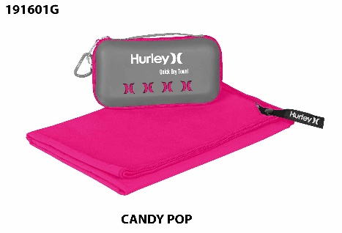 | 191601G | 24 | 12 | 101 - MICROFIBER TOWELS | 12X19.5 SLD CLR MCR FIBR TWL EVA CASE | CANDY POP=24 | NA=24 | $5.75 | $- | 840446501453 | Hurley
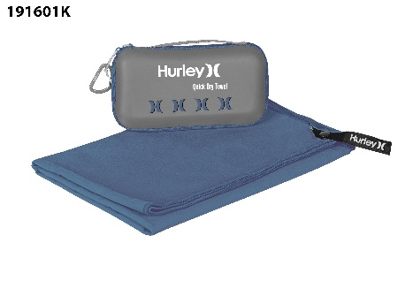 | 191601K1 | 24 | 12 | 101 - MICROFIBER TOWELS | 12X19.5 SLD CLR MCR FIBR TWL EVA CASE | TWILIGHT BLUE=24 | NA=24 | $5.75 | $- | 810106236629 | Hurley
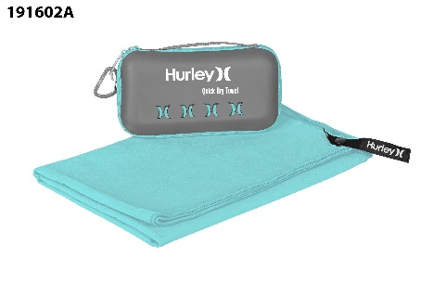 | 191602A2 | 24 | 2,088 | 101 - MICROFIBER TOWELS | 20X40 SLD CLR MCR FIBR TWL EVA CASE | AROURA GREEN=24 | 20X40=24 | $7.10 | $28.00 | 810106236636 | Hurley
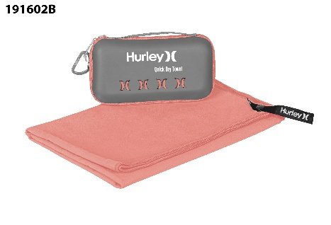 | 191602B2 | 24 | 2,088 | 101 - MICROFIBER TOWELS | 20X40 SLD CLR MCR FIBR TWL EVA CASE | NEON CORAL=24 | 20X40=24 | $7.10 | $28.00 | 810106236643 | Hurley
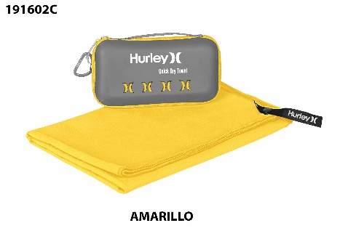 | 191602C1 | 24 | 2,400 | 101 - MICROFIBER TOWELS | 20X40 SLD CLR MCR FIBR TWL EVA CASE | AMARILLO=24 | 20X40=24 | $7.10 | $28.00 | 840446501477 | Hurley
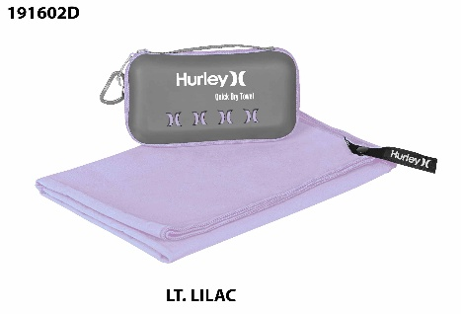 | 191602D1 | 24 | 2,400 | 101 - MICROFIBER TOWELS | 20X40 SLD CLR MCR FIBR TWL EVA CASE | LT LILAC=24 | 20X40=24 | $7.10 | $28.00 | 840446501484 | Hurley
 | 191602G1 | 24 | 2,016 | 101 - MICROFIBER TOWELS | 20X40 SLD CLR MCR FIBR TWL EVA CASE | CANDY POP=24 | 20X40=24 | $7.10 | $28.00 | 840446501491 | Hurley
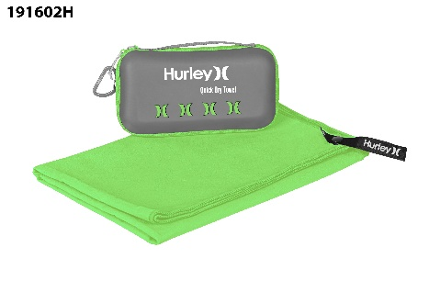 | 191602H1 | 24 | 2,040 | 101 - MICROFIBER TOWELS | 20X40 SLD CLR MCR FIBR TWL EVA CASE | LIME GREEN=24 | 20X40=24 | $7.10 | $28.00 | 810106236674 | Hurley
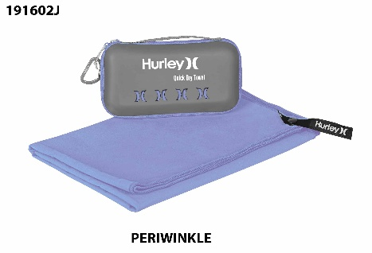 | 191602J1 | 24 | 2,016 | 101 - MICROFIBER TOWELS | 20X40 SLD CLR MCR FIBR TWL EVA CASE | PERIWINKLE=24 | 20X40=24 | $7.10 | $28.00 | 840446501507 | Hurley
 | 191602K2 | 24 | 2,088 | 101 - MICROFIBER TOWELS | 20X40 SLD CLR MCR FIBR TWL EVA CASE | TWILIGHT BLUE=24 | 20X40=24 | $7.10 | $28.00 | 810106236667 | Hurley
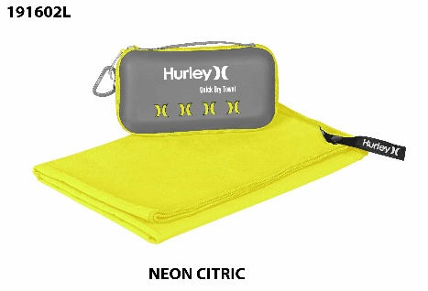 | 191602L1 | 24 | 1,200 | 101 - MICROFIBER TOWELS | 20X40 SLD CLR MCR FIBR TWL EVA CASE | NEON CITRIC PAN=24 | 20X40=24 | $7.10 | $28.00 | 810106236674 | Hurley
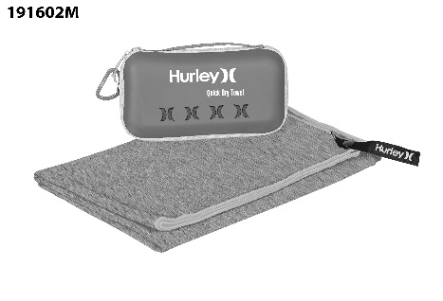 | 191602M1 | 24 | 2,088 | 101 - MICROFIBER TOWELS | 20X40 SLD CLR MCR FIBR TWL EVA CASE | GREY MARLED=24 | N/A=24 | $7.10 | $28.00 | 810106236650 | Hurley
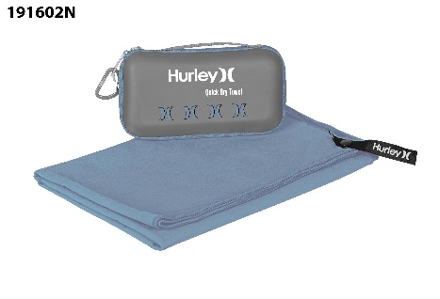 | 191602N | 24 | 1,800 | 101 - MICROFIBER TOWELS | 20X40 SLD CLR MCR FIBR TWL EVA CASE | DENIM BLUE=24 | 20X40=24 | $7.10 | $28.00 | 840446507684 | Hurley
 | 191603A2 | 24 | 2,088 | 101 - MICROFIBER TOWELS | 30X60 SLD CLR MCR FIBR TWL EVA CASE | AROURA GREEN=24 | 30X60=24 | $8.40 | $36.00 | 810106236728 | Hurley
 | 191603B1 | 24 | 2,088 | 101 - MICROFIBER TOWELS | 30X60 SLD CLR MCR FIBR TWL EVA CASE | NEON CORAL=24 | N/A=24 | $8.40 | $36.00 | 810106236681 | Hurley
 | 191603C1 | 24 | 1,776 | 101 - MICROFIBER TOWELS | 30X60 SLD CLR MCR FIBR TWL EVA CASE | GREY MARLED=24 | N/A=24 | $8.40 | $36.00 | 810106236698 | Hurley
 | 191603D | 12 | 96 | 101 - MICROFIBER TOWELS | 30X60 SLD CLR MCR FIBR TWL EVA CASE | LT LILAC=12 | 30X60=12 | $8.40 | $36.00 | 840446501514 | Hurley
 | 191603D1 | 24 | 2,400 | 101 - MICROFIBER TOWELS | 30X60 SLD CLR MCR FIBR TWL EVA CASE | LT LILAC=24 | 30X60=24 | $8.40 | $36.00 | 840446501514 | Hurley
 | 191603G1 | 24 | 2,400 | 101 - MICROFIBER TOWELS | 30X60 SLD CLR MCR FIBR TWL EVA CASE | CANDY POP=24 | 30X60=24 | $8.40 | $36.00 | 840446501521 | Hurley
 | 191603J1 | 24 | 2,400 | 101 - MICROFIBER TOWELS | 30X60 SLD CLR MCR FIBR TWL EVA CASE | PERIWINKLE=24 | 30X60=24 | $8.40 | $36.00 | 840446501538 | Hurley
 | 191603K2 | 24 | 2,088 | 101 - MICROFIBER TOWELS | 30X60 SLD CLR MCR FIBR TWL EVA CASE | TWILIGHT BLUE=24 | 30X60=24 | $8.40 | $36.00 | 810106236704 | Hurley
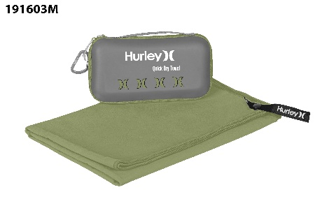 | 191603M2 | 24 | 1,200 | 101 - MICROFIBER TOWELS | 30X60 SLD CLR MCR FIBR TWL EVA CASE | OLIVE=24 | 30X60=24 | $8.40 | $36.00 | 810106236711 | Hurley
 | 191603N | 24 | 2,400 | 101 - MICROFIBER TOWELS | 30X60 SLD CLR MCR FIBR TWL EVA CASE | DENIM BLUE=24 | 30X60=24 | $8.40 | $36.00 | 840446507691 | Hurley
 | 191604A2 | 24 | 5,664 | 101 - MICROFIBER TOWELS | 20X40 SLD CLR MCR FIBR TWL HDR CARD PKG | AURORA GREEN=24 | 20X40=24 | $5.75 | $24.00 | 810106237046 | Hurley
 | 191604B | 24 | 24 | 101 - MICROFIBER TOWELS | 20X40 SLD CLR MCR FIBR TWL HDR CARD PKG | NEON CORAL=24 | 20X40=24 | $5.75 | $18.00 | 810106237084 | Hurley
 | 191604B1 | 24 | 3,216 | 101 - MICROFIBER TOWELS | 20X40 SLD CLR MCR FIBR TWL HDR CARD PKG | NEON CORAL=24 | 20X40=24 | $5.75 | $24.00 | 810106237084 | Hurley
 | 191604C1 | 24 | 3,288 | 101 - MICROFIBER TOWELS | 20X40 SLD CLR MCR FIBR TWL HDR CARD PKG | GREY MARLED=24 | 20X40=24 | $5.75 | $24.00 | 810106237008 | Hurley
 | 191604D | 24 | 4,800 | 101 - MICROFIBER TOWELS | 20X40 SLD CLR MCR FIBR TWL HDR CARD PKG | NEW LILAC=24 | NA=24 | $5.75 | $24.00 | 840446508162 | Hurley
 | 191604E | 24 | 480 | 101 - MICROFIBER TOWELS | 20X40 SLD CLR MCR FIBR TWL HDR CARD PKG | GREY MARLED=24 | 20X40=24 | $5.25 | $20.00 | 810106237008 | Hurley
 | 191604F | 24 | 24 | 101 - MICROFIBER TOWELS | 20X40 SLD CLR MCR FIBR TWL HDR CARD PKG | VIBRANT ORANGE=24 | 20X40=24 | $5.25 | $18.00 | 810106237107 | Hurley
 | 191604G | 24 | 4,800 | 101 - MICROFIBER TOWELS | 20X40 SLD CLR MCR FIBR TWL HDR CARD PKG | NN CTC PN 809C=24 | NA=24 | $5.25 | $24.00 | 840446508179 | Hurley
 | 191604H | 24 | 24 | 101 - MICROFIBER TOWELS | 20X40 SLD CLR MCR FIBR TWL HDR CARD PKG | LIME GREEN=24 | 20X40=24 | $5.25 | $18.00 | 810106237091 | Hurley
 | 191604I | 24 | 4,800 | 101 - MICROFIBER TOWELS | 20X40 SLD CLR MCR FIBR TWL HDR CARD PKG | NW PL PK13-2800=24 | NA=24 | $5.75 | $24.00 | 840446508186 | Hurley
 | 191604J | 24 | 3,288 | 101 - MICROFIBER TOWELS | 20X40 SLD CLR MCR FIBR TWL HDR CARD PKG | NW PH WP14-1309=24 | NA=24 | $5.75 | $24.00 | 840446508193 | Hurley
 | 191604K1 | 24 | 5,688 | 101 - MICROFIBER TOWELS | 20X40 SLD CLR MCR FIBR TWL HDR CARD PKG | TWILIGHT BLUE=24 | 20X40=24 | $5.75 | $24.00 | 810106237060 | Hurley
 | 191604L | 24 | 3,600 | 101 - MICROFIBER TOWELS | 20X40 SLD CLR MCR FIBR TWL HDR CARD PKG | NEW 940U=24 | NA=24 | $5.75 | $24.00 | 840446508209 | Hurley
 | 191604M1 | 24 | 4,296 | 101 - MICROFIBER TOWELS | 20X40 SLD CLR MCR FIBR TWL HDR CARD PKG | OLIVE=24 | 20X40=24 | $5.75 | $24.00 | 810106237015 | Hurley
 | 191604N1 | 24 | 4,800 | 101 - MICROFIBER TOWELS | 20X40 SLD CLR MCR FIBR TWL HDR CARD PKG | AMARILLO=24 | 20X40=24 | $5.75 | $24.00 | 810106237022 | Hurley
 | 191604O | 24 | 3,600 | 101 - MICROFIBER TOWELS | 20X40 SLD CLR MCR FIBR TWL HDR CARD PKG | NW AC WF12-0602=24 | NA=24 | $5.75 | $24.00 | 840446508216 | Hurley
 | 191604P1 | 24 | 3,600 | 101 - MICROFIBER TOWELS | 20X40 SLD CLR MCR FIBR TWL HDR CARD PKG | ATOMIC VIOLET=24 | 20X40=24 | $5.75 | $24.00 | 810106237039 | Hurley
 | 191604Q | 24 | 24 | 101 - MICROFIBER TOWELS | 20X40 SLD CLR MCR FIBR TWL HDR CARD PKG | IRON GREY=24 | 20X40=24 | $5.25 | $18.00 | 810106237053 | Hurley
 | 191604Q1 | 24 | 4,800 | 101 - MICROFIBER TOWELS | 20X40 SLD CLR MCR FIBR TWL HDR CARD PKG | IRON GREY=24 | 20X40=24 | $5.75 | $24.00 | 810106237053 | Hurley
 | 191604R1 | 24 | 4,800 | 101 - MICROFIBER TOWELS | 20X40 SLD CLR MCR FIBR TWL HDR CARD PKG | OBSIDIAN=24 | 20X40=24 | $5.75 | $24.00 | 810106237077 | Hurley
 | 191604S | 24 | 3,216 | 101 - MICROFIBER TOWELS | 20X40 SLD CLR MCR FIBR TWL HDR CARD PKG | NW LHT SG9582U=24 | NA=24 | $5.75 | $24.00 | 840446508223 | Hurley
 | 191604U | 24 | 3,600 | 101 - MICROFIBER TOWELS | 20X40 SLD CLR MCR FIBR TWL HDR CARD PKG | NW MT LF9560C=24 | NA=24 | $5.75 | $24.00 | 840446508230 | Hurley
 | 191605A | 24 | 24 | 101 - MICROFIBER TOWELS | 30X60 SLD CLR MCR FIBR TWL HDR CARD PKG | AURORA GREEN=24 | 30X60=24 | $5.75 | $20.00 | 810106237152 | Hurley
 | 191605H | 24 | 24 | 101 - MICROFIBER TOWELS | 30X60 SLD CLR MCR FIBR TWL HDR CARD PKG | LIME GREEN=24 | 30X60=24 | $5.75 | $20.00 | 810106237206 | Hurley
 | 191605Q | 24 | 24 | 101 - MICROFIBER TOWELS | 30X60 SLD CLR MCR FIBR TWL HDR CARD PKG | IRON GREY=24 | 30X60=24 | $5.75 | $20.00 | 810106237169 | Hurley
 |  |  | 200544

